Hoja1
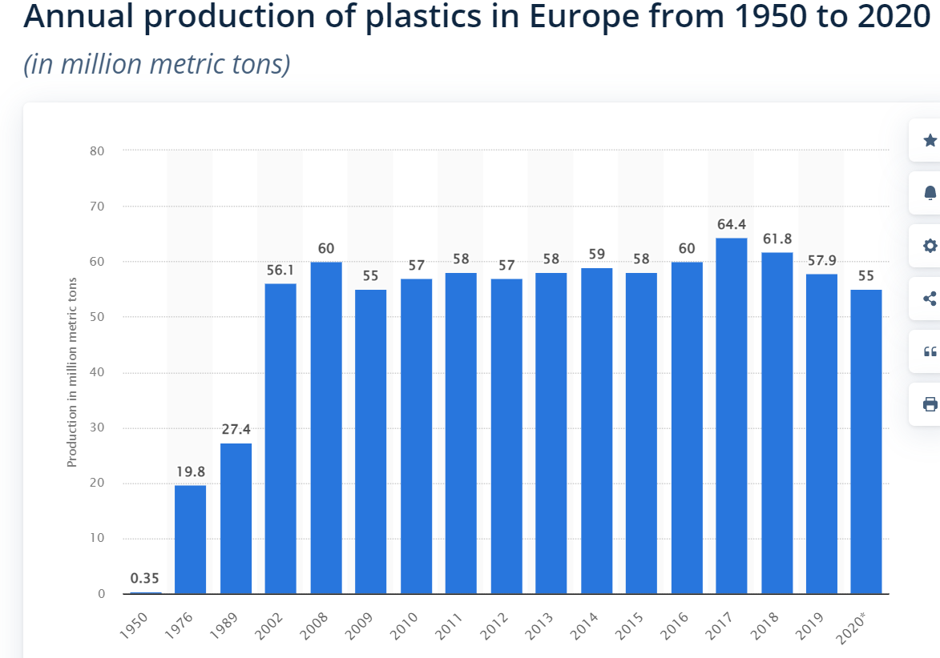
*Western Europe UE15 + Hungary, Norway, Slovakia

Olefin production kt/year
 | ETHYLENE | PROPYLENE | BUTADIENE | BENZENE
2004 | 21408 | 15123 | 2222 | 8464
2005 | 21600 | 15406 | 2233 | 8480
2006 | 21192 | 15291 | 2182 | 8265
2007 | 21818 | 15670 | 2188 | 8522
2008 | 19968 | 14824 | 2020 | 7620
2009 | 18768 | 14228 | 1813 | 7161
2010 | 20281 | 15028 | 2079 | 7719
2011 | 19559 | 14479 | 2087 | 7285
2012 | 18878 | 14351 | 2048 | 7177
2013 | 18521 | 14129 | 1925 | 6878
2014 | 19279 | 14489 | 1991 | 6715
2015 | 19872 | 14538 | 2081 | 6692
2016 | 20830 | 15059 | 2227 | 6841
2017 | 20335 | 14428 | 2267 | 7074
2018 | 19811 | 14194 | 2190 | 6433
2019 | 18411 | 13312 | 2003 | 6194
2020 | 19674 | 13820 | 2026 | 6097
2021 | 19376 | 13663 | 2152
kt/year | ETHYLENE | PROPYLENE | BUTADIENE | BENZENE | TOTAL | t/year | Plastic production
2004 | 21408 | 15123 | 2222 | 8464 | 47217 | 47217000
2005 | 21600 | 15406 | 2233 | 8480 | 47719 | 47719000
2006 | 21192 | 15291 | 2182 | 8265 | 46930 | 46930000
2007 | 21818 | 15670 | 2188 | 8522 | 48198 | 48198000 |  | 0.39746636827
2008 | 19968 | 14824 | 2020 | 7620 | 44432 | 44432000 | 60
2009 | 18768 | 14228 | 1813 | 7161 | 41970 | 41970000 | 55
2010 | 20281 | 15028 | 2079 | 7719 | 45107 | 45107000 | 57
2011 | 19559 | 14479 | 2087 | 7285 | 43410 | 43410000 | 58
2012 | 18878 | 14351 | 2048 | 7177 | 42454 | 42454000 | 57
2013 | 18521 | 14129 | 1925 | 6878 | 41453 | 41453000 | 58
2014 | 19279 | 14489 | 1991 | 6715 | 42474 | 42474000 | 59
2015 | 19872 | 14538 | 2081 | 6692 | 43183 | 43183000 | 58
2016 | 20830 | 15059 | 2227 | 6841 | 44957 | 44957000 | 60
2017 | 20335 | 14428 | 2267 | 7074 | 44104 | 44104000 | 64.4
2018 | 19811 | 14194 | 2190 | 6433 | 42628 | 42628000 | 61.8
2019 | 18411 | 13312 | 2003 | 6194 | 39920 | 39920000 | 57.9
2004
2005
2006
2007
2008 | 60
2009 | 55
2010 | 57
2011 | 58
2012 | 57
2013 | 58
2014 | 59
2015 | 58
2016 | 60
2017 | 64.4
2018 | 61.8
2019 | 57.9
2020 | 55
2020 | 19674 | 13820 | 2026 | 6097 | 41617 | 41617000 | 55
2021 | 19376 | 13663 | 2152 |  | 35191 | 35191000
 |  |  |  |  | 41945 | 41944636

